Sheet1
DATE | INV NO. | DESCRIPTIONS | QTY | BILLS | PRICE | SUB TOTAL | TOTAL
2025-12-02 | B00518/PRN-R/2025 | BONELESS BREAST TK SP | 5.4 | 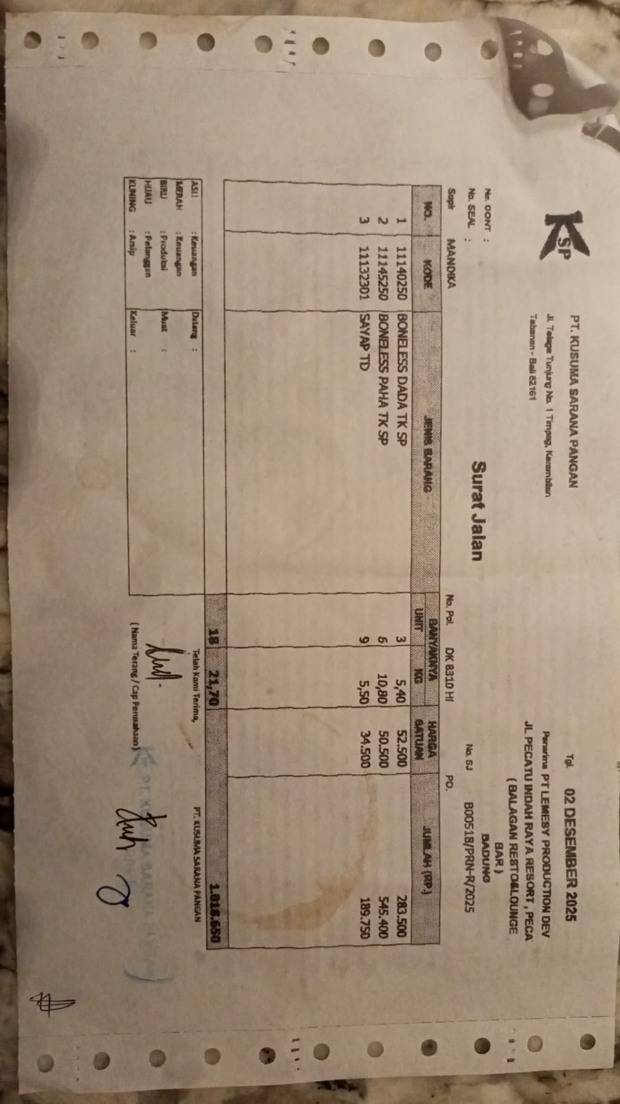 | IDR 52,500 | IDR 283,500 | IDR 1,018,650
 |  | BONELESS LEG TK SP | 10.8 |  | IDR 50,500 | IDR 545,400
 |  | WING TD | 5.5 |  | IDR 34,500 | IDR 189,750
2025-12-05 | B00557/PRN-R/2025 | BONELESS BREAST TK SP | 5.6 | 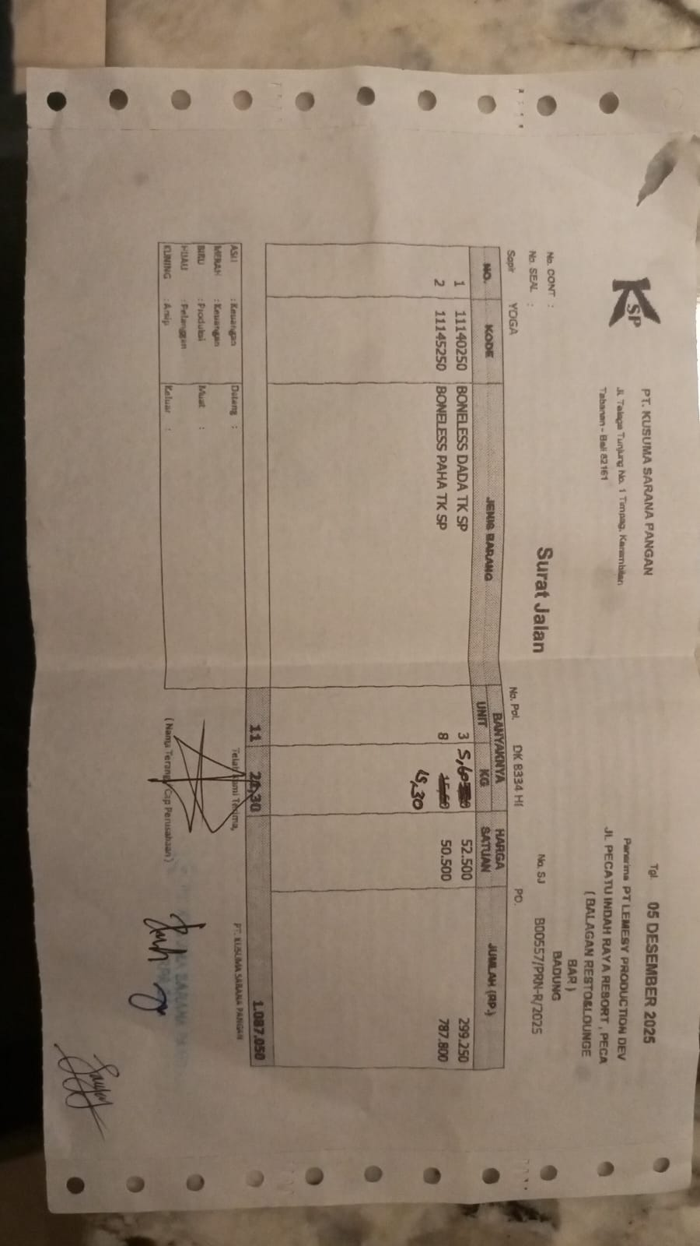 | IDR 52,500 | IDR 294,000 | IDR 1,066,650
 |  | BONELESS LEG TK SP | 15.3 |  | Rp50,500 | IDR 772,650
2025-12-12 | B00640/PRN-R/2025 | BONELESS BREAST TK SP | 5.1 | 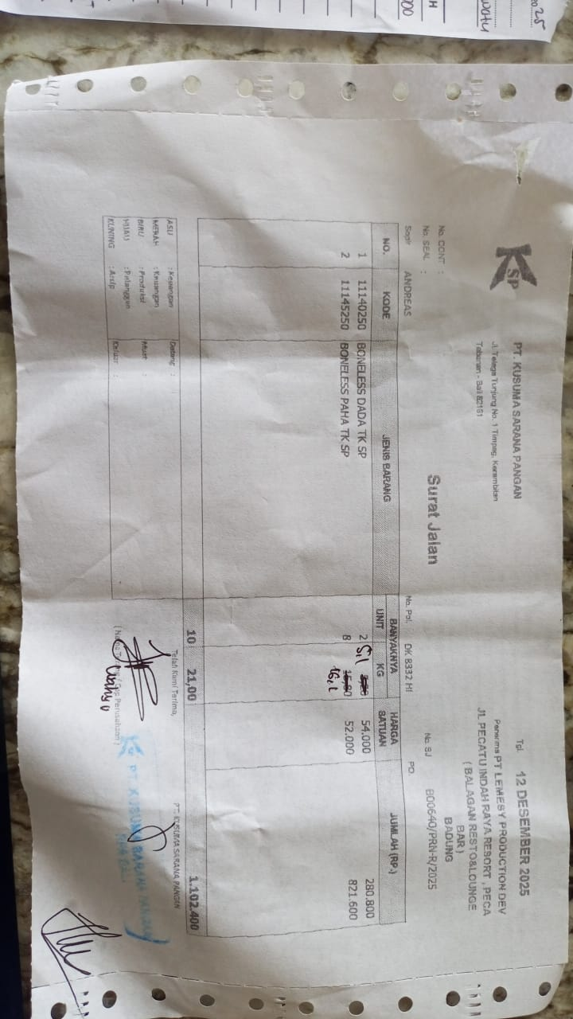 | Rp54,000 | IDR 275,400 | Rp1,112,600
 |  | BONELESS LEG TK SP | 16.1 |  | Rp52,000 | IDR 837,200
2026-12-16 | B00640/PRN-R/2025 | BONELESS BREAST TK SP | 5.2 | 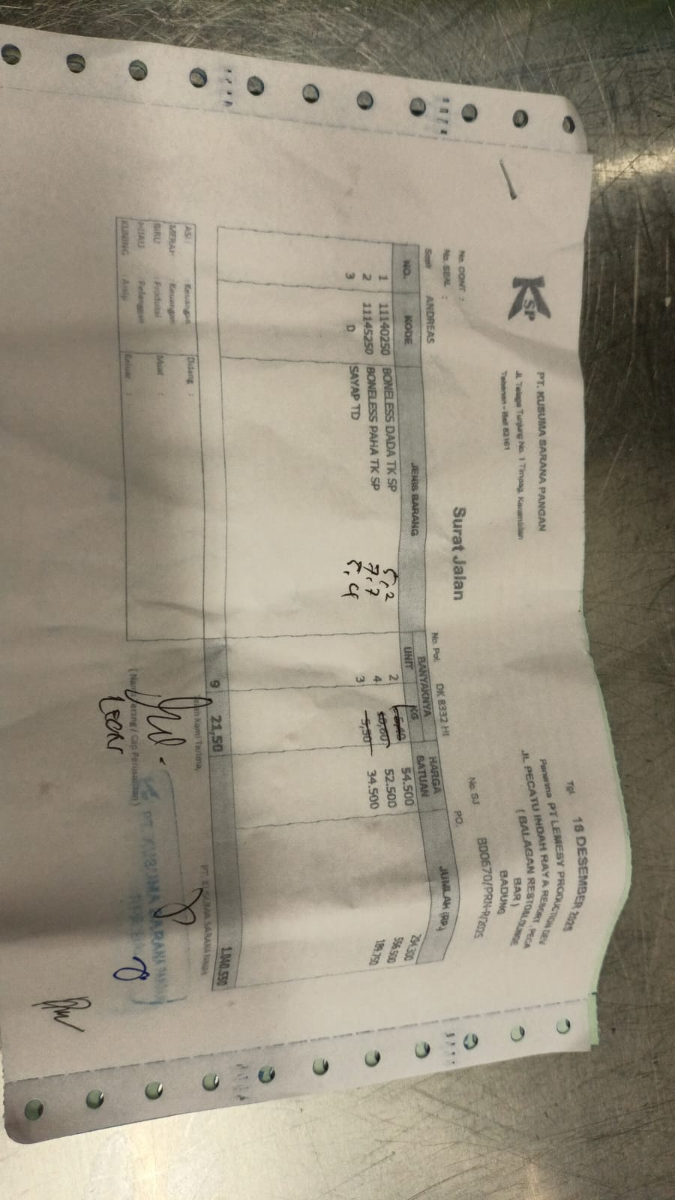 | Rp54,500 | IDR 283,400 | Rp873,950
 |  | BONELESS LEG TK SP | 7.7 |  | Rp52,500 | IDR 404,250
 |  | WING TD | 5.4 |  | Rp34,500 | IDR 186,300
2025-12-30 | B00778/PRN-R/2025 | BONELESS BREAST TK SP | 10.2 | 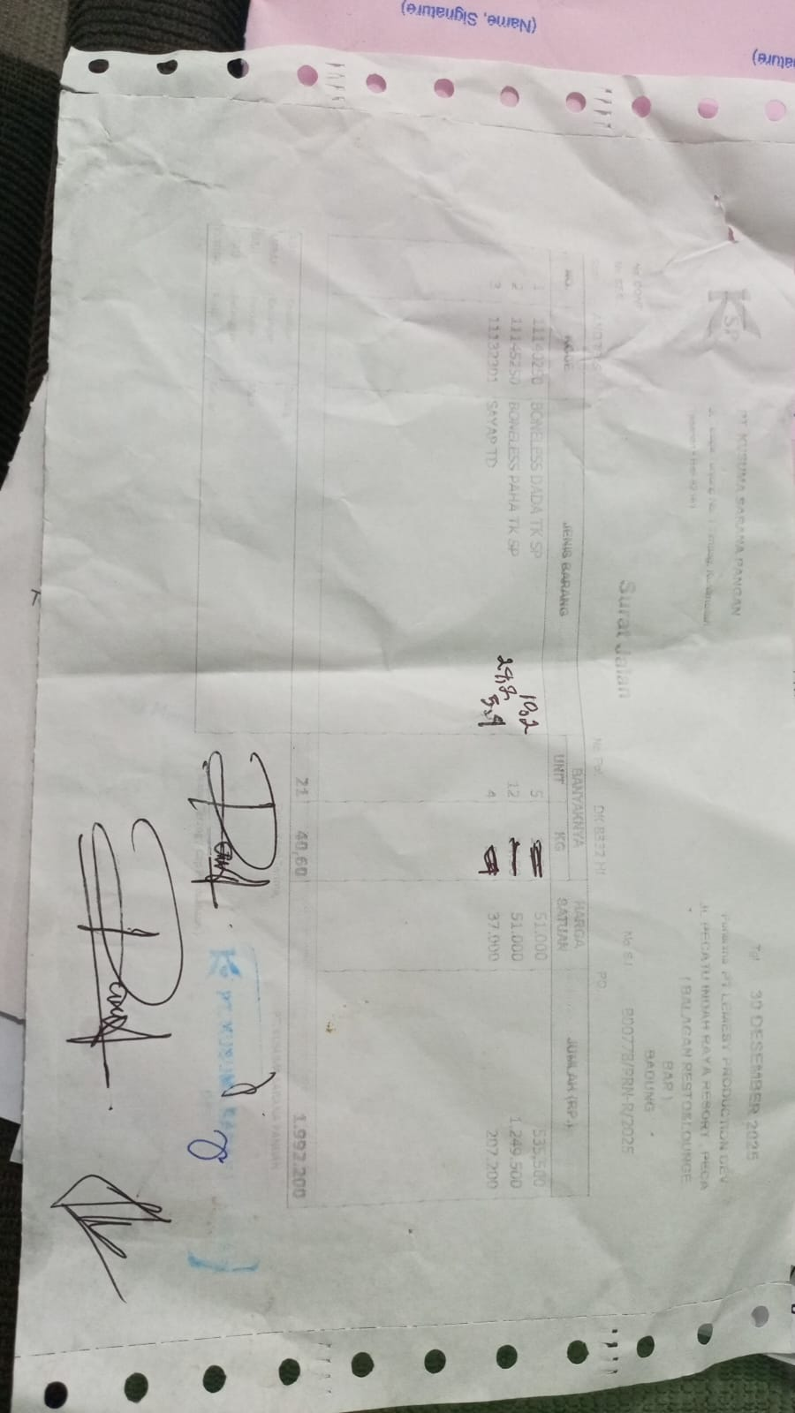 | Rp51,000 | Rp520,200 | Rp1,954,200
 |  | BONELESS LEG TK SP | 24.2 |  | Rp51,000 | Rp1,234,200
 |  | WING TD | 5.4 |  | Rp37,000 | Rp199,800
 |  |  |  |  |  | Rp-
 |  |  |  |  |  |  | Rp6,026,050

